210414
MANAGE ONESELF |  | MANAGE SPACE |  | MANAGE THE BALL

IC3 - INTELLIGENCE, COMPETENCE, COURAGE, CHARACTER |  |  |  | TIME | DESCRIPTION
 |  |  |  |  | Warm-up/activation
 | EQUIPMENT |  | EMPHASIS/THEME
 | Balls, cones, bibs |  | Prep for system of play |  | 3v1/4v1 rondos - various shapes
 |  |  |  |  | 1v1+2 corner goals, add teammates
 |  |  |  |  | 4v4+3+4 - 7v8 T
TEAM | DATE |  | SESSION TIME |  | 10v3 progression - 3-5-2
JV | Apr 14 2021 |  | 4p |  | Scrimmage
TOTAL SPACE | LOAD |  | SESSION DURATION
1/4 field | Med |  | 90 |  | Dragon, frog, seated forward fold, saddle, pigeon (downward dog transition)

ACTIVITY 1 |  | Warm-up/activation |  | ACTIVITY 2 |  | 3v1/4v1 rondos - various shapes
PHYSICAL ACTIVATION |  | FUNCTIONAL/SPORTS SKILLS |  | SPACE | DURATION |  | EXPLANATION
T-shape |  | A-march, A-walk, A-skip, carioca |  | 10x10 yds | TOTAL |  | Rondos of various shapes
Jog, hips in/out, high knees, butt kickers, |  | (focus on arm movements), CMJ |  |  | SETS/REPS
hamstring scoop, Frankenstein, |  | Lateral lunge |  |  | WORK
2x front plank 1-leg, 2x lateral plank, |  | 4x10 dead bug, donkey kicks, toes to sky, |  |  | REST
4x glute-bridge, jog w/arm circles, |  | mountain climber, glute bridge |  | COACHING POINTS
jog w/arm swings, high skips |  |  |  | Look to position when receiving to
 |  |  |  | beat the interior defender(s) line
 |  |  |  | Understand whether we have a long or short
 |  | Partner small-space 2-touch |  | side of the grid to work with |  |  | PROGRESSION
 |  |  |  | Perceive the environment when off the ball in |  |  | Rotate player groups through shapes
 |  |  |  | order to decide when in possession
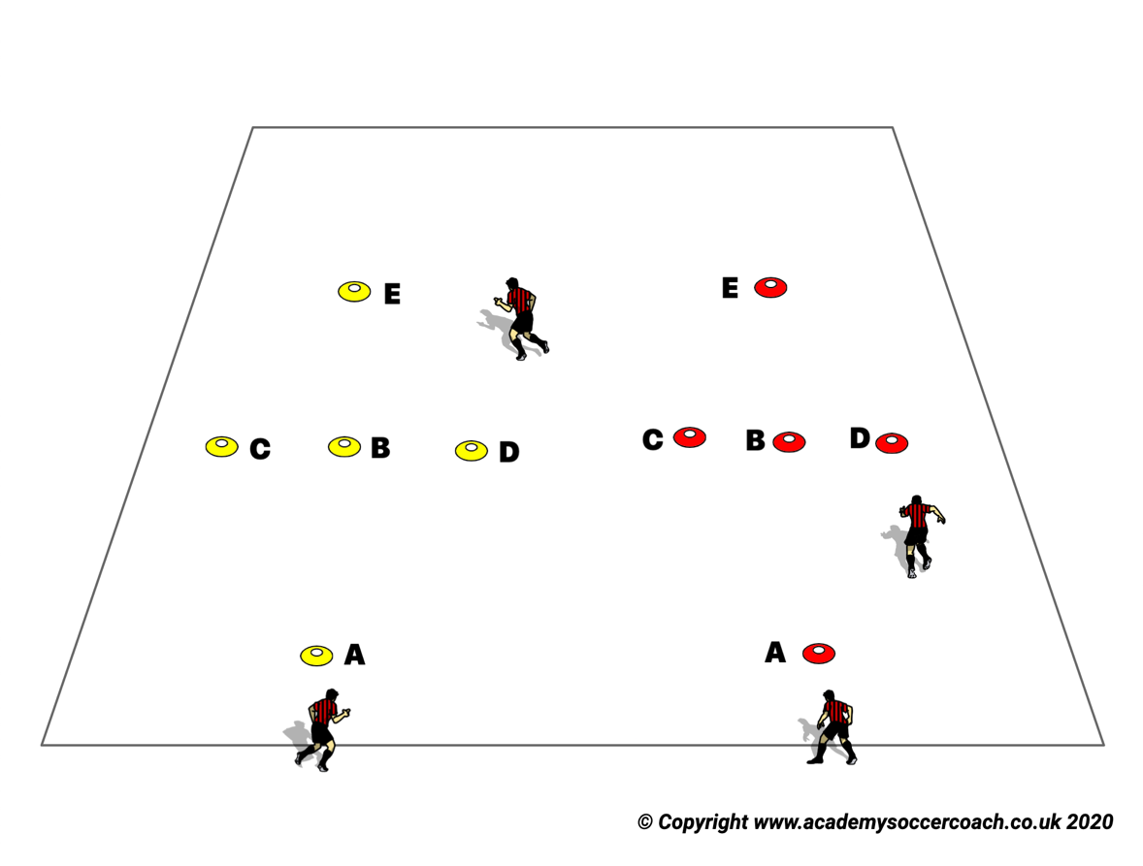 |  |  |  | 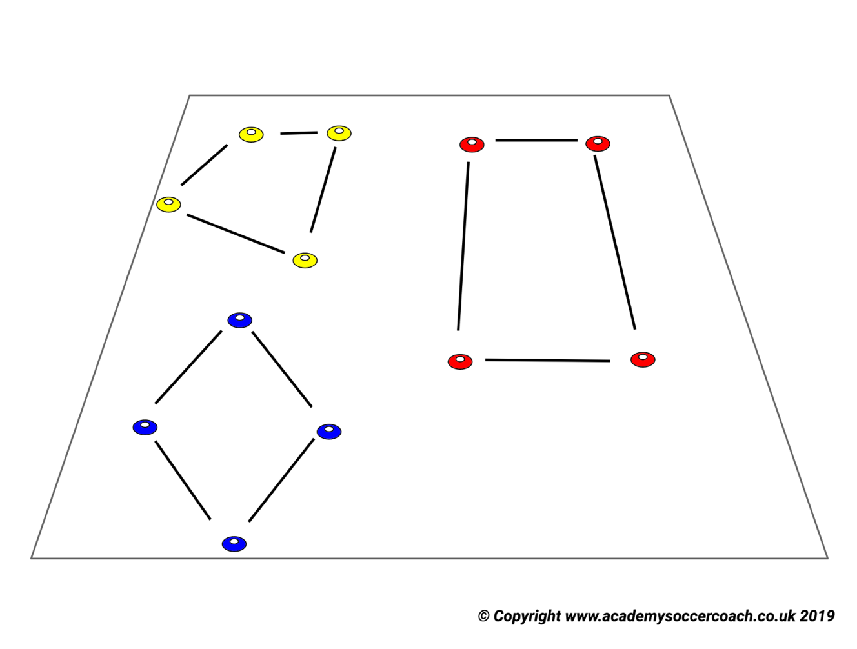

ACTIVITY 3 |  | 1v1+2 corner goals, add teammates |  | ACTIVITY 4 |  | 4v4+3+4 - 7v8 T
SPACE | DURATION |  | EXPLANATION | SPACE | DURATION |  | EXPLANATION
15 yds | TOTAL |  | 1v1 with 2 corner players | 40x40 yds (age appropriate) | TOTAL |  | Arrange grid with Red players
 | SETS/REPS |  | Group 1 goes 1v1, corner player |  | SETS/REPS |  | as central back and forward + wings,
 | WORK |  | joins who ever passes to them |  | WORK |  | White players as outside backs and
 | REST |  |  |  | REST |  | forwards
COACHING POINTS |  |  |  | COACHING POINTS |  |  | Red - 3 midfielders in grid vs
1v1+2 - attacking player should look to use |  |  |  | Outside players - be prepared to receive pass, |  |  | White - 4 midfielders in grid
corner players as quickly as possible to increase |  |  |  | look to combine with central players, identify
numbers |  |  | Require 2 touches | rondos within game |  |  | Objective is to connect passes
 |  |  | PROGRESSION | Inside Red - form triangle, scan off each other |  |  | PROGRESSION
 |  |  |  | Inside White - form diamond |  |  | Limit touch counts to outside players
 |  |  |  | Both teams - look for 3v1s, 4v1s, 4v2s |  |  | Limit touch counts for mids
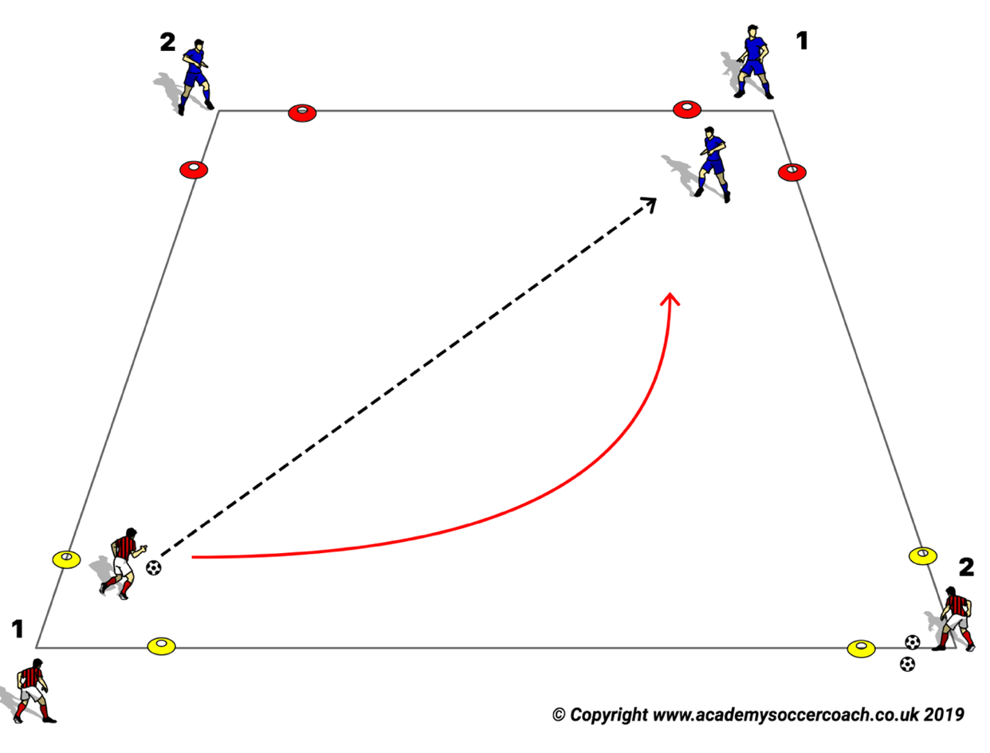 |  |  |  | 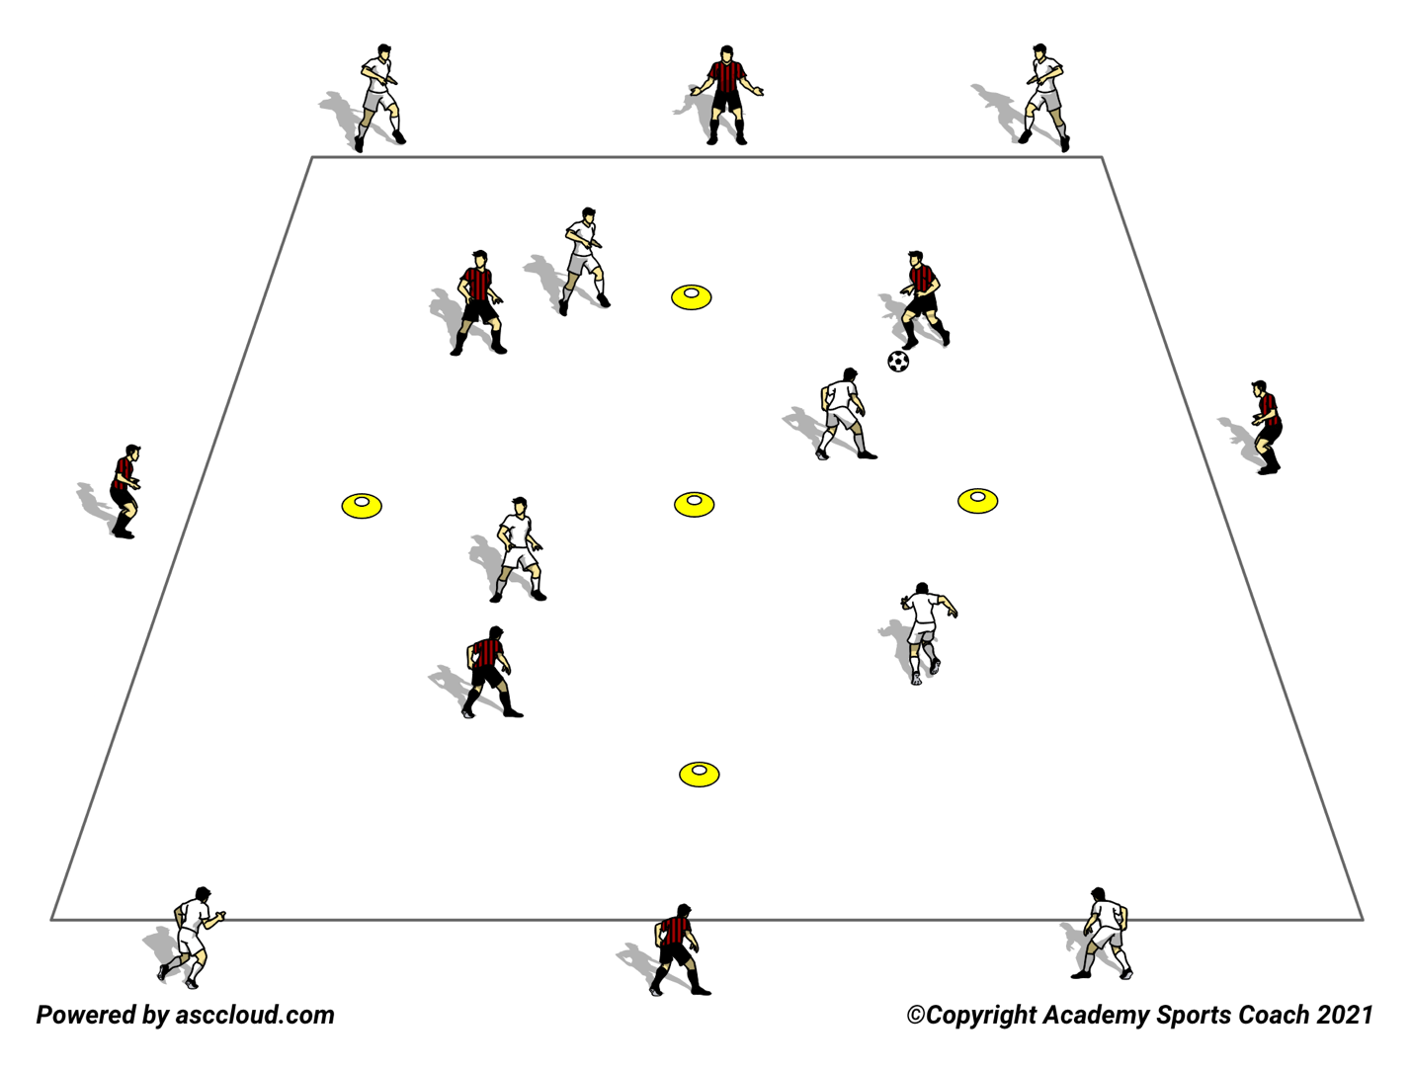

Eyes + Ideas - Figure It Out, Fake Them Out - Do It, Did It Work |  |  |  | Copyright © 2021 205 Sports
MANAGE ONESELF |  | MANAGE SPACE |  | MANAGE THE BALL

IC3 - INTELLIGENCE, COMPETENCE, COURAGE, CHARACTER |  |  |  | TIME | DESCRIPTION
 |  |  |  |  | Warm-up/activation
 | EQUIPMENT |  | EMPHASIS/THEME
 | Balls, cones, bibs |  | Prep for system of play |  | 3v1/4v1 rondos - various shapes
 |  |  |  |  | 1v1+2 corner goals, add teammates
 |  |  |  |  | 4v4+3+4 - 7v8 T
TEAM | DATE |  | SESSION TIME |  | 10v3 progression - 3-5-2
JV | Apr 14 2021 |  | 4p |  | Scrimmage
TOTAL SPACE | LOAD |  | SESSION DURATION
1/4 field | Med |  | 90 |  | Dragon, frog, seated forward fold, saddle, pigeon (downward dog transition)

ACTIVITY 5 |  | 10v3 progression - 3-5-2 |  | ACTIVITY 6
SPACE | DURATION |  | EXPLANATION | SPACE | DURATION |  | EXPLANATION
min 1/2 field | TOTAL | 30:00 | Team arranged 10v3 as shown - |  | TOTAL
 | SETS/REPS |  | describe use of boxes and progression - |  | SETS/REPS
 | WORK |  | Intent is to move ball cleanly thru |  | WORK
 | REST |  | the various boxes, with our style of |  | REST
COACHING POINTS |  |  | play - look for 6/8 as supporting option | COACHING POINTS
Attempt to form rondos thru movement, look to |  |  | on balls played to 2/3
switch POA when opposition is drawn in - use |  |  | Initial pass is 2-.3, then find options
eyes + ideas, figure it out + fake them out - receive w/ |  |  | from 6/8 support, find opposite box 1
intent - seek out diagonal movement - in middle |  |  | PROGRESSION |  |  |  | PROGRESSION
third - look at opponents for gaps/pockets - read |  |  | 7/11 must move up and back, 9/10 to
teammates, avoid sharing same spaces |  |  | press 4/5, allow 8 to step on def 6
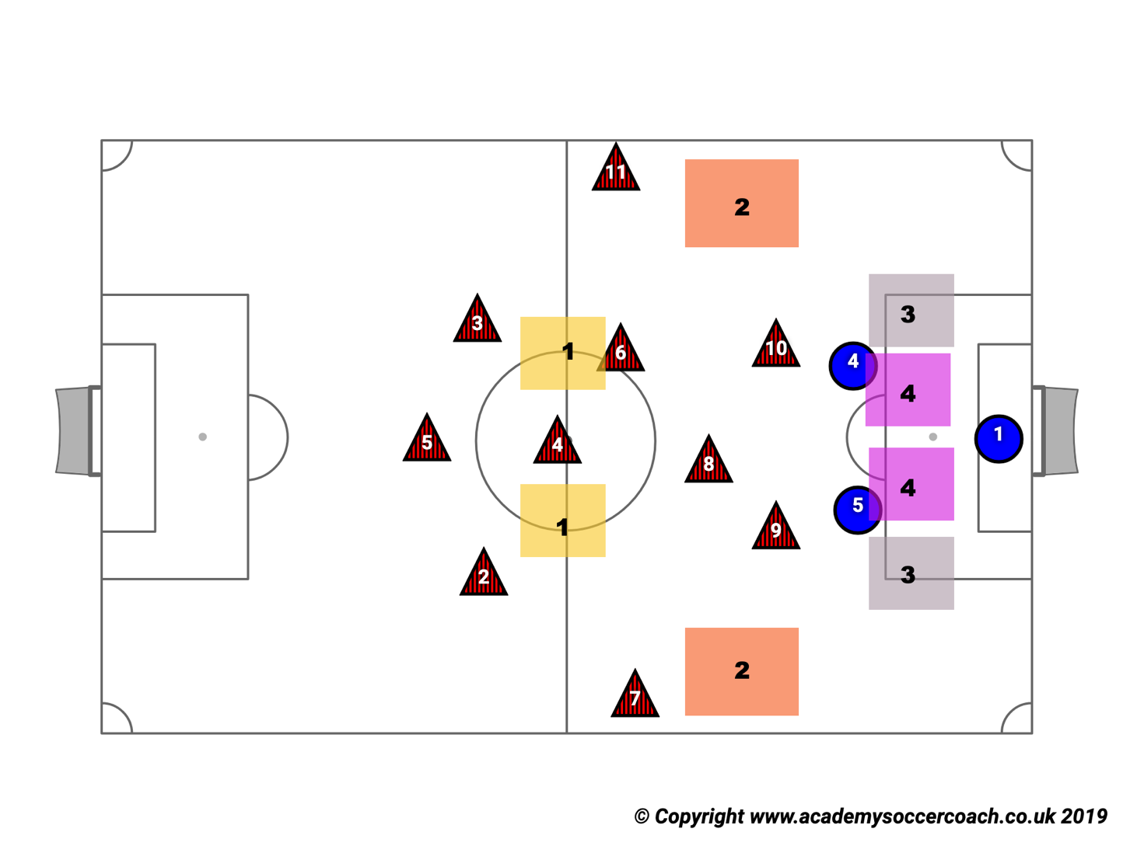

ACTIVITY 3

Eyes + Ideas - Figure It Out, Fake Them Out - Do It, Did It Work |  |  |  | Copyright © 2021 205 Sports

